Q4
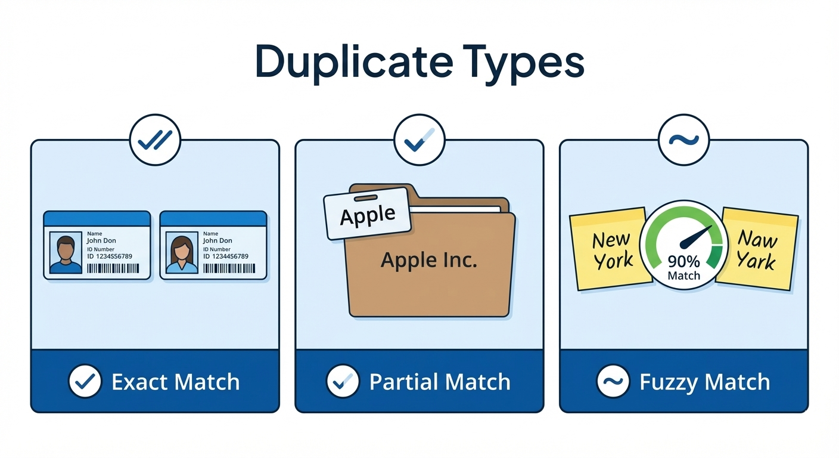
Question 4 : Differentiate between exact, partial, and fuzzy duplicates.

Types of Duplicates

1. Exact duplicates :

All columns in the records are completely
identical.

Example : Same Name, Email, Phone,
Address

Common Cause :

● Reprocessing the same file
● Full load executed multiple times

Detection Method:

● GROUP BY + HAVING COUNT(*) > 1

2. Partial Duplicates

Only key business fields match, while other columns differ.

Example:

● Same Email or Phone number
● Different Name spellings or addresses

Common Cause:

● Multiple source systems
● Manual updates over time

Detection Method:

● Match on business keys (Email, Phone, Order ID)
● ROW_NUMBER() over key columns

3. Fuzzy Duplicates

Records refer to the same entity but with slight variations in values.

Examples:

● “Rahul Sharma” vs “R. Sharma”
● “Bengaluru” vs “Bangalore”

Common Cause:
● Free-text entry
● Lack of standardization

Detection Method:

● String similarity techniques
● Phonetic matching (words which sounds similar although spelled differently)
● ML-based deduplication (advanced ETL)

Dataset
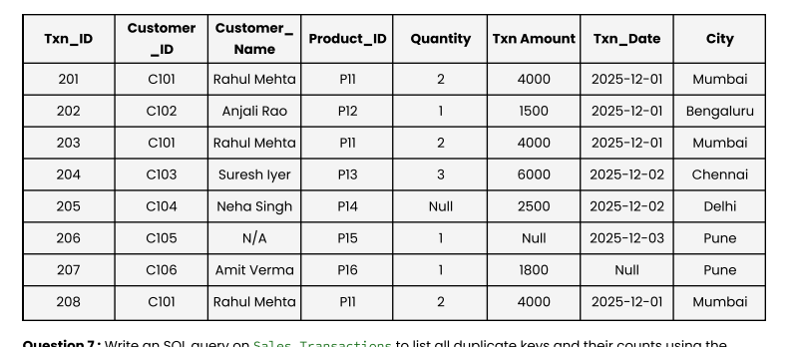

Use the following dataset for all questions:

